Sheet1
 |  | Document No. | Issue No. | Issue Date |  | Review and Replace Date |  | Authorised By
 |  | GFF460MC | 2 | 05.09.2024 |  | 14.05.2025
 |  | Document Title | GAZEBO DELI- HYDERABADI CHICKEN BIRYANI 1250g
 |  | Increased Spicy Pilau Rice weight |  |  | Page |  | 1 of 1 | Magda Shah
Document amendments reason for change |  |  |  |  | Previous Issue Date |  | 05.09.2024 | Uncontrolled copy unless signed original

CCBIR4-B1B | Gazebo Deli-Booths |  | GAZEBO DELI- HYDERABADI CHICKEN BIRYANI 1250g
STEP 1 |  |  | STEP 2 |  |  |  | STEP 3
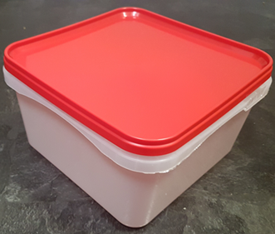 |  |  | 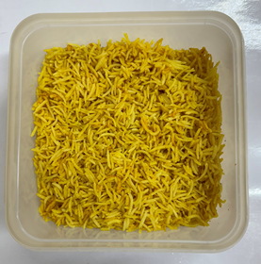 |  |  |  | 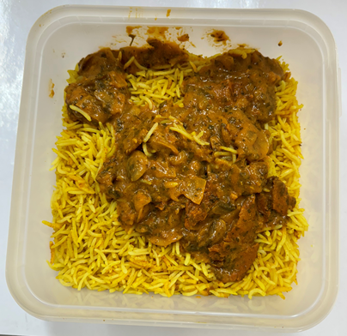

TUB/Lid: SALAD TUB RED LID NATURAL 2.4/4 LTR (PKSHA002-01 & PKSHA002-02) |  |  | Spicy Pilau Rice (GFF493R): 700g |  |  |  | Biryani Sauce (GFF136R): 175g
STEP 4 |  |  | STEP 5 |  |  |  | STEP 6
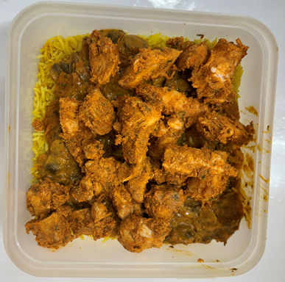 |  |  | 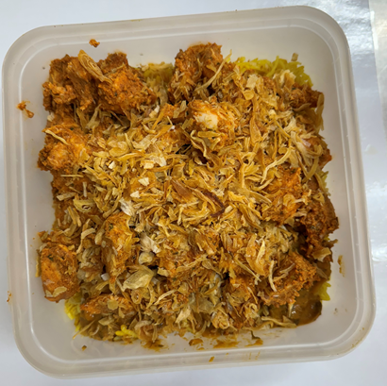 |  |  |  | 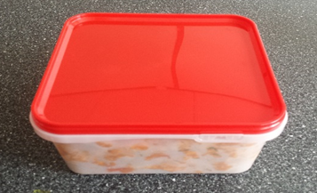

Chicken Tikka (GFF142R): 350g |  |  | Fried Onion (RMVIR001-59): 25g |  |  |  | HYDERABADI CHICKEN BIRYANI 1250g |  | Total:1250g
ALLERGY ALERT: Milk

